CHECK
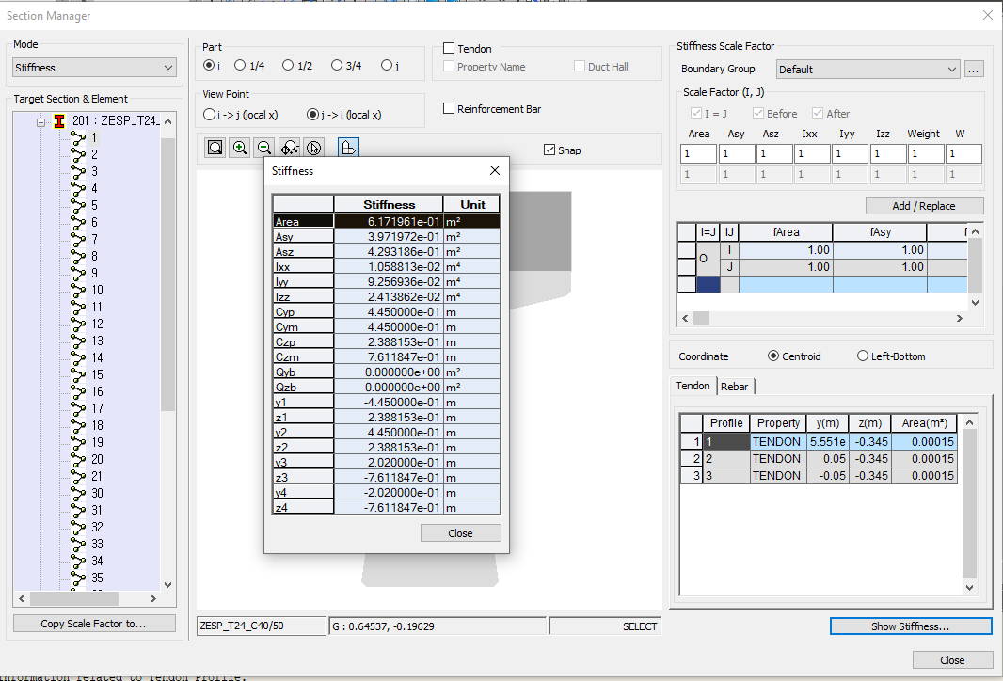
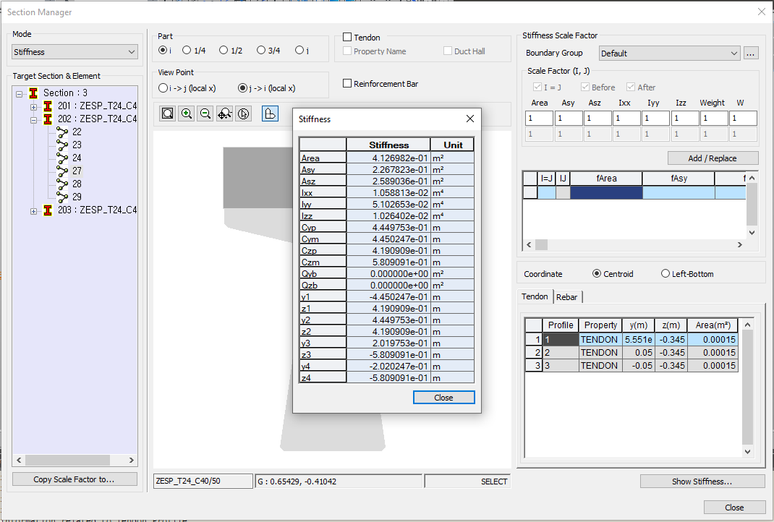

 |  | E (kN/m2) | m with respect to girder material
Girder | C40/50 | 35220000.0 | 1.000000
Slab | C30/37 | 32836000.0 | 0.932311
Tendon | Y1860S7 | 195000000.0 | 5.536627
Slab rebar | Rebar_S | 200000000.0 | 5.678592
Girder rebar | Rebar_G | 200000000.0 | 5.678592
 |  | Area (m2)
 | T24 | 0.378545
 | Slab | 0.225
 | 18 x P20 | 0.0056548668
 | 4 x P20 | 0.0012566370614
 | 3 x Tend | 0.00045

 | Section | Area (m2) | New Check
 | 201 | 0.61719608319 | 0.61719608319
 | 202 | 0.41269816171 | 0.41269816171
 | 203 | 0.41857745344 | 0.41857745344
 |  | Girder T24 | 0.378545
 |  | Rebar Girder | 0.00587929
 |  | Tendons | 0.00204148 | 0.386466 | Details of section 203 calculation
 |  | Rebar Slab | 0.032111679594
 |  | Total Area = | 0.41857745344

Sheet1
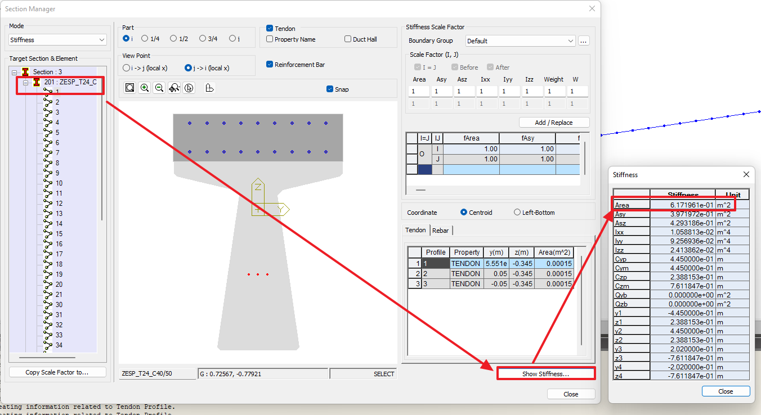
 |  | E (kN/m2) | m with respect to girder material
Girder | C40/50 | 35220000.0 | 1.000000 | 1.000000 | G1
Slab | C30/37 | 32836000.0 | 0.932311 | 0.930000 | G2
Tendon | Y1860S7 | 195000000.0 | 5.536627 | 5.540000
Slab rebar | Rebar_S | 200000000.0 | 5.678592 | 5.680000
Girder rebar | Rebar_G | 200000000.0 | 5.678592
 |  | Area (m2)
 | T24 | 0.378545
 | Slab | 0.225
 | 18 x P20 | 0.0056548668
 | 4 x P20 | 0.0012566370614
 | 3 x Tend | 0.00045
 |  |  |  | 0.38568094549
 |  |  |  | 0.378545
 |  |  |  | 0.0071359454855

 | Section | Area (m2) | New Check
 | 201 | 0.61719608319 | 0.61719608319
 | 202 | 0.41269816171 | 0.41269816171
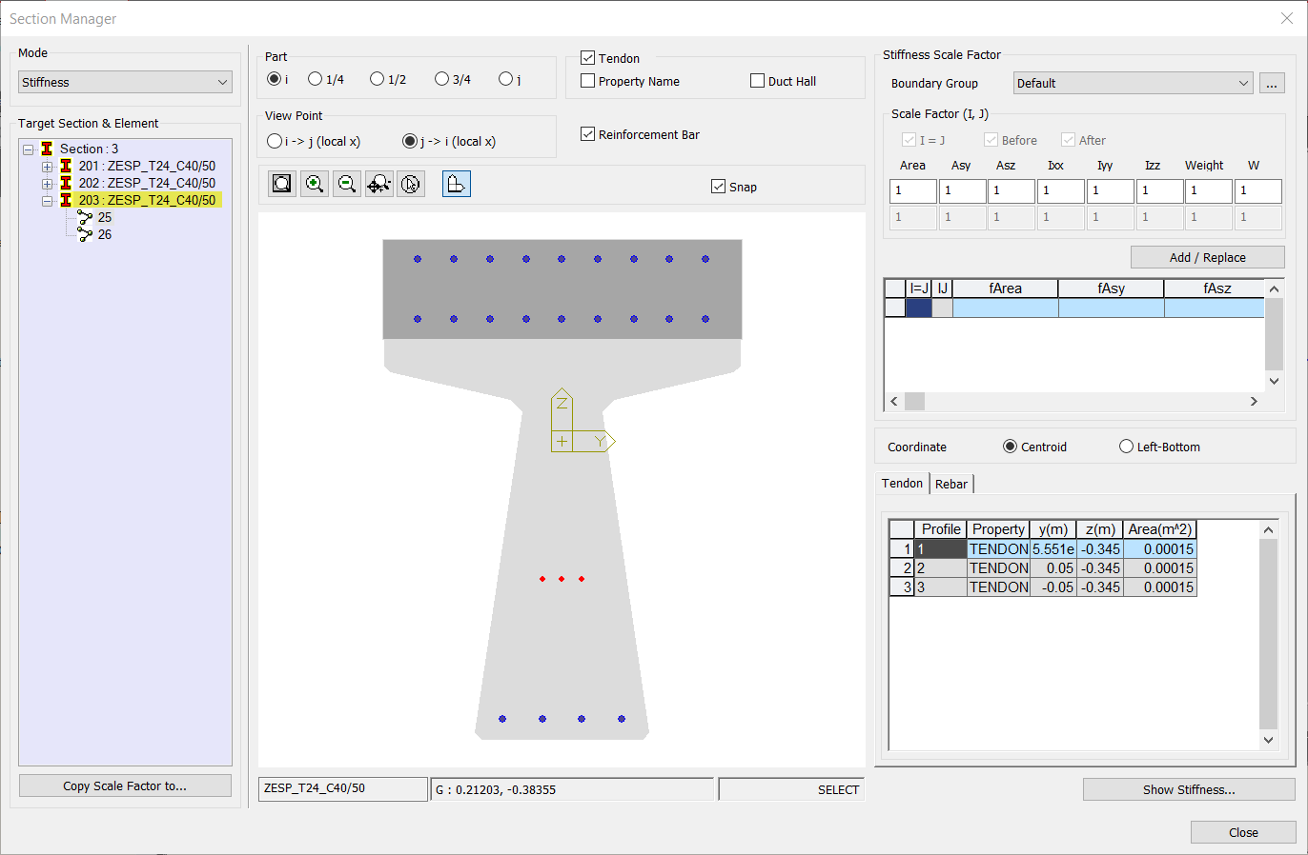
 | 203 | 0.41857745344 | 0.41857745344
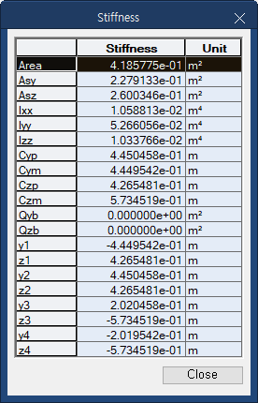
 |  | Girder T24 | 0.378545
 |  | Rebar Girder | 0.00587929
 |  | Tendons | 0.00204148 | 0.386466 | (거더)
 |  | Rebar Slab | 0.032111679594
 |  | Total Area = | 0.41857745344

 |  | For 203 section
 |  | Girder T24 | 0.378545
 |  | Slab | 0
 |  | Tendons | 0.0020414821124
 |  | Rebar Girder | 0.0058792917372
 |  | Rebar Slab | 0.026456812817
 |  | Total Area = | 0.41292258667

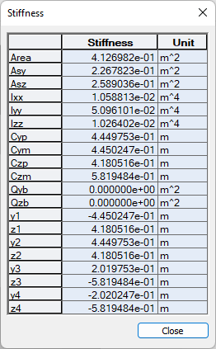

Tc | 0.25

 | 0.37855 | 0.58832 |  |  |  | m²
 | 0.19844 | 0.34711 |  |  |  | m²
 | 0.23056 | 0.29966 |  |  |  | m²
 | 0.00812 | 0.01059 |  |  |  | m⁴
 | 0.04050 | 0.08846 |  |  |  | m⁴
 | 0.00853 | 0.02269 |  |  |  | m⁴
 | 0.44500 | 0.44500 |  |  |  | m
 | 0.44500 | 0.44500 |  |  |  | m
 | 0.46427 | 0.25416 |  |  |  | m
 | 0.53573 | 0.74584 | 1.00000 |  |  | m
 | 0.00000 | 0.00000 |  |  |  | m²
 | 0.00000 | 0.00000 |  |  |  | m²
 | 3.83674 | 6.13674 |  |  |  | m
 | 0.00000 | 0.00000 |  |  |  | m
 | 0.44500 | 0.45000 |  |  |  | m
 | 0.53573 | 0.74584 |  |  |  | m
 | -0.44500 | -0.44500 |  |  |  | m
 | 0.46427 | 0.25416 |  |  |  | m
 | 0.44500 | 0.44500 |  |  |  | m
 | 0.46427 | 0.25416 |  |  |  | m
 | 0.20200 | 0.20200 |  |  |  | m
 | -0.53573 | -0.74584 |  |  |  | m
 | -0.20200 | -0.20200 |  |  |  | m
 | -0.53573 | -0.74584 |  |  |  | m

